Request
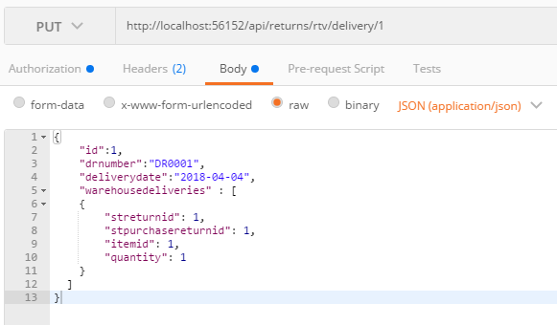
Parameter | Data Type | Length | Required | Unique | Remarks
Id | Int |  | Yes |  | STReturn.Id
DRNumber | String |  | Yes
DeliveryDate | Int |  | Yes
WarehouseDeliveries | Array
STReturnId | Int |  | Yes |  | STReturn.Id
STPurchaseReturnId | Int |  | Yes |  | STPurchaseReturn.Id
ItemId | Int |  | Yes
Quantity | Int |  | Yes

Example

Response
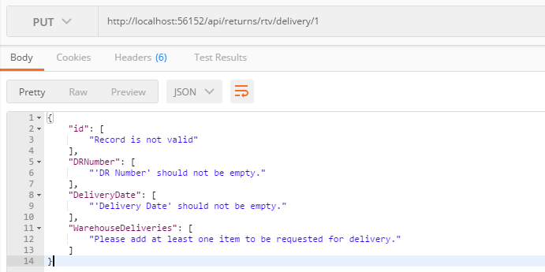
With Error

